Pivot tables
Customer Segment Analysis
Order Date (Year) | All | Row Labels | Sum of Sales
 |  | Furniture
Row Labels | Sum of Sales | Bookcases | 113,813.20 | Row Labels | Sum of Sales
 | 1,389,173.66 | Chairs | 322,822.73 | Sean Miller | 25043.05 | Row Labels | Sum of Sales
Jan | 90,957.98 | Furnishings | 89,212.02 | Tamara Chand | 19052.218 | Central | 492,646.91
Feb | 103,951.16 | Tables | 202,810.63 | Raymond Buch | 15117.339 | East | 669,518.73
Mar | 71,788.69 | Office Supplies |  | Tom Ashbrook | 14595.62 | South | 389,151.46
Apr | 65,094.95 | Appliances | 104,618.40 | Adrian Barton | 14473.571 | West | 710,219.68
May | 64,277.08 | Art | 26,705.41 | Ken Lonsdale | 14175.229 | Grand Total | 2,261,536.78
Jun | 51,099.14 | Binders | 200,028.79 | Sanjit Chand | 14142.334
Jul | 62,393.95 | Envelopes | 16,128.05 | Hunter Lopez | 12873.298
Aug | 100,560.35 | Fasteners | 3,001.96 | Sanjit Engle | 12209.438
Sep | 66,582.37 | Labels | 12,347.73 | Christopher Conant | 12129.072
Oct | 62,563.78 | Paper | 76,828.30 | Grand Total | 153811.169 | Row Labels | Sum of Sales | Count of Order ID
Nov | 68,274.31 | Storage | 219,343.39 |  |  | Consumer | 1,148,060.53 | 5101
Dec | 64,819.37 | Supplies | 46,420.31 |  |  | Corporate | 688,494.07 | 2953
Grand Total | 2,261,536.78 | Technology |  |  |  | Home Office | 424,982.18 | 1746
 | 2,261,536.78 | Accessories | 164,186.70 |  |  | Grand Total | 2,261,536.78 | 9800
Regional Performance
 |  | Copiers | 146,248.09
 |  | Machines | 189,238.63
 |  | Phones | 327,782.45
 |  | Grand Total | 2,261,536.78
Monthly Sales Performance

Top 10 Ptoducts

Sales by Category and Sub-category
 | Total
Bookcases | 113,813.20
Chairs | 322,822.73
Furnishings | 89,212.02
Tables | 202,810.63
Appliances | 104,618.40
Art | 26,705.41
Binders | 200,028.79
Envelopes | 16,128.05
Fasteners | 3,001.96
Labels | 12,347.73
Paper | 76,828.30
Storage | 219,343.39
Supplies | 46,420.31
Accessories | 164,186.70
Copiers | 146,248.09
Machines | 189,238.63
Phones | 327,782.45

Dashboard
Superstore Sales
Monthly Sales Performance
 | Total
 | 1,389,173.66
Jan | 90,957.98
Feb | 103,951.16
Mar | 71,788.69
Apr | 65,094.95
May | 64,277.08
Jun | 51,099.14
Jul | 62,393.95
Aug | 100,560.35
Sep | 66,582.37
Oct | 62,563.78
Nov | 68,274.31
Dec | 64,819.37
Regional Performance
 | Total
Central | 492,646.91
East | 669,518.73
South | 389,151.46
West | 710,219.68
Total Sales
2,261,536.78

Total Orders
4922
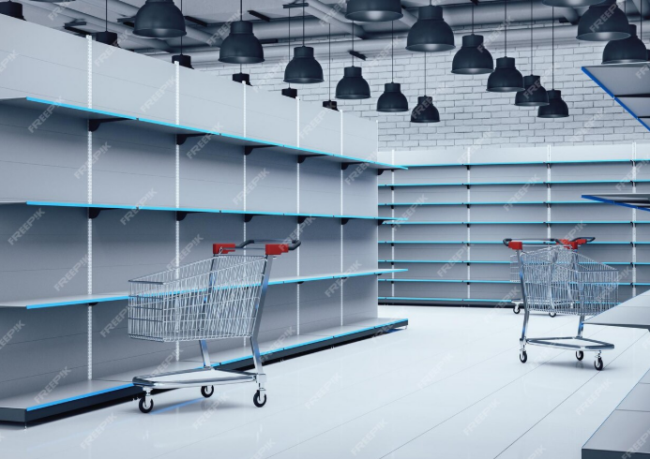

Average Order Value 230.76

Top 10 Ptoducts
 | Total
Sean Miller | 25043.05
Tamara Chand | 19052.218
Raymond Buch | 15117.339
Tom Ashbrook | 14595.62
Adrian Barton | 14473.571
Ken Lonsdale | 14175.229
Sanjit Chand | 14142.334
Hunter Lopez | 12873.298
Sanjit Engle | 12209.438
Christopher Conant | 12129.072
Sales by Category and Sub-category
 | Total
Bookcases | 113,813.20
Chairs | 322,822.73
Furnishings | 89,212.02
Tables | 202,810.63
Appliances | 104,618.40
Art | 26,705.41
Binders | 200,028.79
Envelopes | 16,128.05
Fasteners | 3,001.96
Labels | 12,347.73
Paper | 76,828.30
Storage | 219,343.39
Supplies | 46,420.31
Accessories | 164,186.70
Copiers | 146,248.09
Machines | 189,238.63
Phones | 327,782.45
Customer Segment Analysis
 | Sum of Sales | Count of Order ID
Consumer | 1,148,060.53 | 5101
Corporate | 688,494.07 | 2953
Home Office | 424,982.18 | 1746

